Sheet1
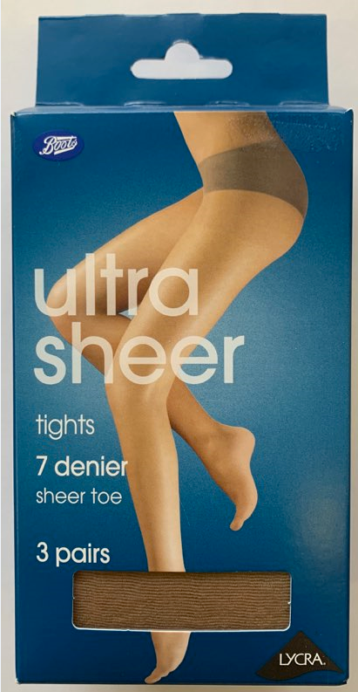
 |  |  |  | Qty
6831141 | Boots Ankle high Cashnere socks O/S 2pr | Boots | Black | 720
4010NUML | Deb Everyday Hold ups M/Large 2 pair | Debenhams | Nude | 384
2007BL1 | Everyday 15 den Tights 3 pair Small | Debenhams | Black | 15
2007BR1 | Everyday 15 den Tights 3 pair Small | Debenhams | Bronze | 45
2007OL2 | Everyday 15 den Tights 3 pair XL | Debenhams | Bronze | 57
2007OL2 | Everyday 15 den Tights 3 pair Medium | Debenhams | Olive | 23
2008BL1 | Everyday 10 den Tights 3 pair Small 3 pair | Debenhams | Black | 216
2008BL3 | Everyday 10 den Tights 3 pair Large | Debenhams | Black | 213
2008BL4 | Everyday 10 den Tights 3 pair X Large | Debenhams | Black | 24
2008BR1 | Everyday 10 den Tights 3 pair Small 3 pair | Debenhams | Bronze | 48
2008BR2 | Everyday 10 den Tights 3 pair Med 3 pair | Debenhams | Bronze | 96
2008BR3 | Everday 10 den Tights 3 pair Large | Debenhams | Bronze | 102
2008BR4 | Everyday 10 den Tights 3 pair X Large | Debenhams | Bronze | 90
2008OL1 | Everyday 10 den Tights 3 pair Small 3 pair | Debenhams | Olive | 126
2008OL2 | Everyday 10 den Tights 3 pair Med 3 pair | Debenhams | Olive | 450
2008OL3 | Everyday 10 den Tights 3 pair Large | Debenhams | Olive | 204
2008OL4 | Everyday 10 den Tights 3 pair X Large | Debenhams | Olive | 30
2008OT1 | Everyday 10 den Tights 3 pair Small 3 pair | Debenhams | Light Tan | 609
2008OLT2 | Everyday 10 den Tights 3 pair Med 3 pair | Debenhams | Light Tan | 1149
2008OLT3 | Everyday 10 den Tights 3 pair Large | Debenhams | Light Tan | 544
2008OLT4 | Everyday 10 den Tights 3 pair Large | Debenhams | Light Tan | 288
2008OLT4 | Everyday 10 den Tights 3 pair Large | Debenhams | Light Tan | 144
6205542 | Boots Light support Tights Small 2 pair | Boots | Black | 864
6205550 | Boots Light support Tights Medium 2pair | Boots | Black | 864
6025569 | Boots Light support Tights Large 2 pair | Boots | Black | 1056
605577 | Boots Light support Tights X Large 2 pair | Boots | Black | 1920
4031687 | Dreamskin Light support Tights O/S 2 pair | Boots | Natural | 120
403842 | Dreamskin Light support Tights M/L 2 pair | Boots | Black | 360
De | 40 Denier Opaque Tights 3 pair pack Small | Debenhams | Navy | 60
3070NA3 | 40 Denier Opaque Tights 3 pair pack Large | Debenhams | Navy | 54
3070NA4 | 40 Den Opaque Tights 3 pair pack X Large | Debnhams | Navy | 90
5400NA3 | 40 Den S&S Opaque Tights 2pair pack Lrg | Deenhams | Navy | 189
7050BL2 | 7 Denier Ultra Sheer Tights3 pair Pack XL | Boots | Black | 1260
 |  |  |  | 12414

